Colored Lamp
Title | Steps | Results | Description | Preconditions | Attachments
Set lamp to flashing color | Single press button labled "COLOR". | The lamp displays flashing colors. |  | The batteries are powering the lamp. | 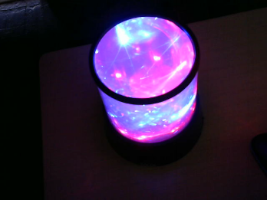
Set lamp to white. | Single press button labled "WHITE". | The lamp displays a still white light. |  | The batteries are powering the lamp. | 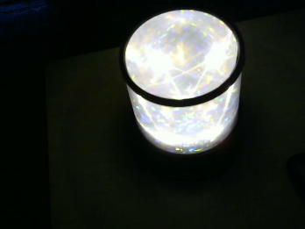
Set lamp to white and flashing color | Single press button labled "WHITE". Single press button labled "COLOR". | The lamp displays flashing colors and still white light. |  | The batteries are powering the lamp. | 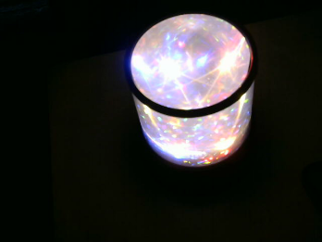
Turn off lamp from white and flashing color mode, | Single press button labled "WHITE". Single press button labled "COLOR". | The lamp stops displaying white and then colored light. |  | The batteries are powering the lamp. Lamp is set to white and flashing color. | 